Overview
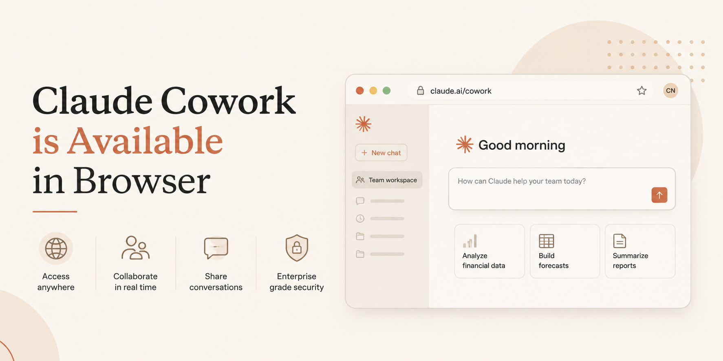
Claude Cowork for Finance - The Ultimate Guide
by Christian Martinez

What is Cowork?
Claude Cowork brings Claude Code's agentic capabilities to knowledge work. Instead of one prompt at a time, you describe an outcome, Claude plans and executes a multi-step task (reading files, running code, using connectors, browsing the web), and delivers a finished output — spreadsheets, docs, decks, reports — that you can review and download.

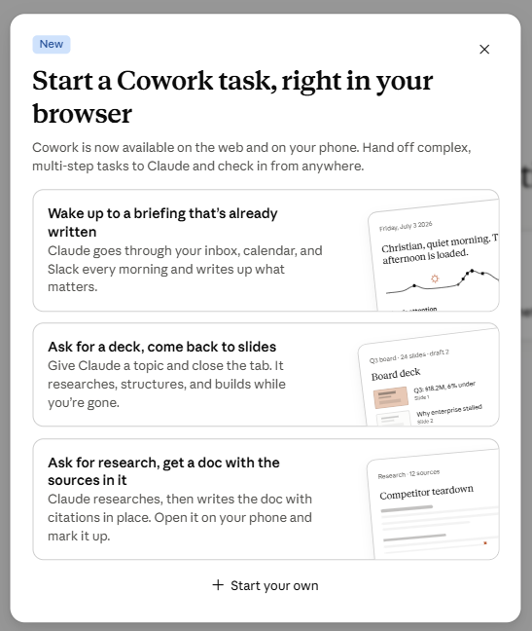
Key Facts
Availability | Pro, Max, Team, Enterprise plans. Web, Desktop, and Mobile (iOS/Android). Web/mobile in beta, rolling out to Pro.
Where it runs | In the cloud on Anthropic's servers, in an isolated environment. Sessions & files follow your account across devices.
Local file / browser / computer use | Requires the Claude Desktop app open on your machine — cloud sessions reach local files, browser, and computer only while desktop is open.
Runs in background | Yes — close your laptop and Claude keeps going. Scheduled tasks run with no device online.
Move between devices | Start on one surface, steer or check progress from another, pick up the finished output anywhere.
Scheduling | Type "/schedule" in any Cowork task, or use the "Scheduled" tab in the sidebar. Runs in the cloud on a cadence you choose.
Projects | Group related tasks into a workspace with its own files, instructions, and memory. Available on every surface.
Live artifacts | Interactive, editable outputs — desktop app only for now.
Memory | Chat memory does not carry into Cowork yet. Within Cowork, memory is supported in Projects only.
Usage | Cowork tasks consume more usage than standard chat (compute-intensive, multi-step). Batch related work into one session where possible.

Approval Modes
Mode | What happens
Manual (Manually approve) | Claude pauses and asks approval for actions on connectors set to 'Needs approval'. You choose Allow or Deny each time. Safest, slowest.
Auto (Automatically approve) — Pro/Max only | Claude keeps working, reviewing each action for safety (e.g. data exfiltration, prompt injection) and blocking anything unsafe automatically. Uses more of your usage limit because of the extra safety checking.
Skip (Skip all approvals) | Claude never pauses to ask, and nothing is checked automatically. Only use when you fully trust every connector, file, and app involved.

Why this matters for Finance / FP&A
• | Recurring close tasks (reconciliations, journal entry prep, variance reports) can be scheduled to run in the cloud without anyone keeping a laptop on.
• | Analysts can kick off a task on web, hand it to a manager to steer from mobile, and finish review on desktop.
• | Cowork produces real Excel files with working formulas and multiple tabs — not just CSVs that need fixing — and PowerPoint decks from rough notes.
• | Work depending on local files (e.g., an on-prem ERP export) still needs the Desktop app open on that machine, since cloud sessions reach local files only through it.
• | Deletion protection requires explicit 'Allow' before Claude deletes any file — useful when working with sensitive finance files.

How to Use This Workbook
• | "Sample P&L" tab — a small monthly P&L with formulas you can hand to Cowork to practice: variance analysis, formatting, chart-building, or turning it into a slide.
• | "Prompts by Use Case" tab — ready-to-adapt prompts mapped to common Finance/FP&A workflows, organized by category.

Source: Anthropic support articles — "Get started with Claude Cowork" and "Use Claude Cowork on web, desktop, and mobile" (support.claude.com), current as of Aug 2026.

Step by Step
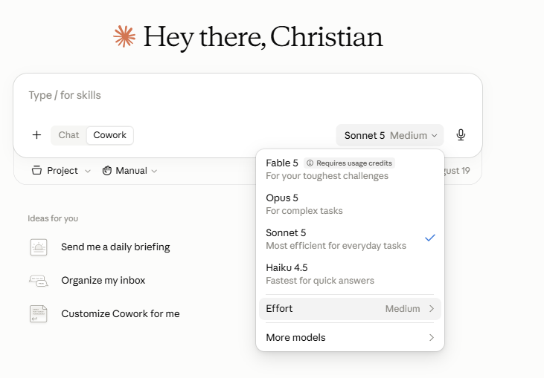
Claude Cowork is now available on web and mobile in addition to desktop.

First, you go to

New chat - Claude

Then, you just need to click on Cowork, which is next to Chat ↓

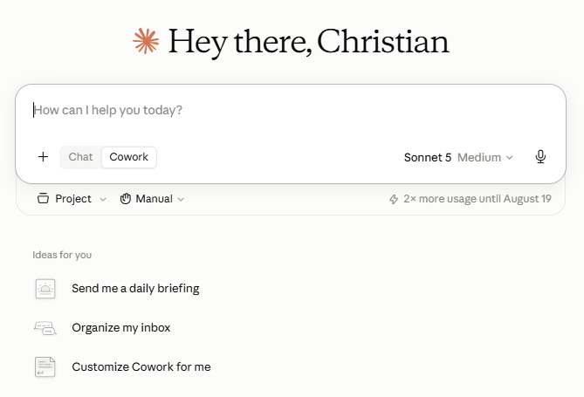

You can use one of the ideas set up by Anthropic or add one of the prompts from this guide

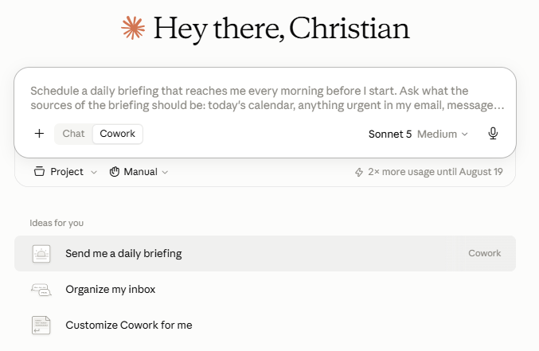

Remember you can still change the models and the effort in this mode:

Guide
 | Claude Cowork is now available on web and mobile in addition to desktop.

 | Cowork runs your sessions remotely in the cloud (in beta), so your sessions and files live with your Claude account and go where you go, on any device.

 | Close-related tasks (reconciliations, journal entries, variance analysis) can run in the background and keep going even if someone closes their laptop to go to a meeting.

 | Scheduled tasks — like a weekly variance report or a recurring reconciliation — run without anyone needing to keep a machine on.

 | The same session is accessible from desktop, web, or mobile, so a controller can kick off a task at their desk and check on it from their phone later, or an analyst can start something on web and hand it off to someone on desktop.

 | Claude Cowork is in beta on web and mobile for Max, Team, and Enterprise plans, and will be rolling out to Pro plans over the next several weeks.

 | Start a Cowork session

 | Chat and Cowork share one home, so you start both from the same place. On any surface, find the message box, select "Cowork" in the bottom left corner, then describe your task. To go back to a regular conversation, select "Chat."

 | Web: Go to claude.ai and find the “Home” tab.

 | Mobile: Open the latest version of Claude for iOS or Claude for Android. If you don't see the Cowork option in the message box, update the app.

 | Desktop: Open the latest version of the Claude Desktop app. If you don't see the Cowork option in the message box, update the app. Desktop is the full Cowork experience, where Claude can also use your local files and browser.

 | How sessions work in the cloud

 | In a session in the cloud, Claude's work runs on Anthropic's servers instead of your computer, and your sessions and files are saved to your Claude account. This changes what Cowork can do:

 | Work continues in the background. Close your laptop and Claude keeps going.

 | Scheduled tasks run with no device online.

 | The same sessions and files are available on desktop, web, and mobile.

 | Sessions run in the cloud on every surface.

 | For details on how local sessions and sessions in the cloud are isolated and what each can access, see Claude Cowork architecture overview. For safety guidance, see Use Claude Cowork safely.

 | What's available on each surface

 | Sessions in the cloud are in beta, and some features aren’t available yet. Here's what you can use on each surface today:

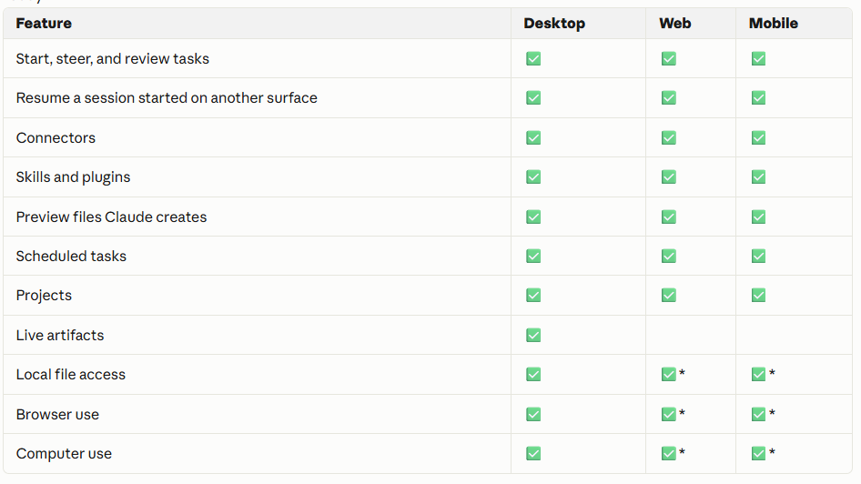
 | A few notes on the table:

 | *Local file access, local connectors, browser use, and computer use from web and mobile work through the Claude Desktop app. A session in the cloud can read and write files in folders you've connected on your computer only while the desktop app is open on that computer. If the app is closed, the session keeps running but can't reach your local files.

 | Projects are available on every surface. From a project you can start a chat or a Cowork session, and Claude uses the project's knowledge as context. Projects tied to a local folder support Cowork sessions on desktop only, and Cowork won't change a project's contents, so add anything you want to keep to the project yourself. For more information, see Organize your tasks with projects in Claude Cowork and Use live artifacts in Claude Cowork.

 | Live artifacts are available on the desktop app only. For more information, see Use live artifacts in Claude Cowork.

 | Local connectors and plugins that include local MCP servers work through the desktop app only.

 | Scheduled tasks run in the cloud, so they no longer need your computer to be awake. For more information, see Schedule recurring tasks in Claude Cowork.

 | Computer use is a research preview for Pro and Max plans. For more information, see Let Claude use your computer in Cowork.

 | What requires the desktop app

 | Some capabilities reach things on your computer, so they need the Claude Desktop app open on your machine, even when your session runs in the cloud:

 | Local file access. Claude reads and writes files in folders you've connected on your computer. A session in the cloud reaches these files only while the desktop app is open, only for folders you've connected, and with the permissions you've already set.

 | Local connectors. This includes plugins using those connectors.

 | Browser use. Claude works in your browser through Claude in Chrome.

 | Computer use. Claude clicks, types, and navigates your screen directly.

 | Move between surfaces

 | Sessions in the cloud follow your account, so you can switch surfaces mid-task:

 | 1. Start a task on any surface.

 | 2. Open the same session from another surface to check progress, answer Claude's questions, or redirect the work.

 | 3. Pick up the finished output wherever you are.

 | When Claude finishes a task or needs your input, you'll get a notification on your phone. To get started, see Get started with Claude Cowork.

 | What this unlocks for typical FP&A/Accounting work

 | Month-end close tracking: Set up a scheduled task that runs close-status checks or pulls together the close calendar each morning, viewable from any device — useful if your close team is distributed or people check status on the go.

 | Recurring reconciliations: Bank recs, GL-to-subledger recs, or intercompany recs can be scheduled to run in the cloud on a cadence (e.g., daily or weekly) rather than someone manually kicking them off.

 | Variance analysis and reporting: Budget-vs-actual or period-over-period variance write-ups can be started by one team member and reviewed/steered by a manager from a different device later in the day.

 | SOX testing and audit support: Sample selection and testing workpapers can run as longer background tasks, especially useful around quarter-end when audit deadlines are tight.

 | Practical setup notes

 | If your work depends on local files (say, an on-prem ERP export saved to a shared drive, or a local Excel model), remember: cloud sessions can only reach those files while the Desktop app is open on that machine. So for local-file-dependent finance work, someone needs to keep desktop open, or better, move those files into a connected drive/project so the session can reach them regardless of device.

 | Connectors, skills, and plugins (including finance-specific ones for journal entries, reconciliation, close management, etc.) all work across web, mobile, and desktop — so your team doesn't lose functionality by working from a phone or browser instead of the desktop app.

 | Live artifacts (interactive dashboards/models Claude builds live) are desktop-only for now, so if a team member wants to review a build interactively rather than just check status, they'll need desktop.

 | A reasonable rollout for a Finance team

 | 1. Start with scheduled, recurring tasks that don't need local files — e.g., a recurring variance report or SOX sample pull — since those benefit most from "runs without a device online."

 | 2. For anything touching local files (raw ERP exports, on-prem systems), keep those tasks on desktop for now, or migrate source files to a connected location.

 | 3. Use mobile/web mainly for monitoring and steering tasks that were kicked off elsewhere — reviewing a reconciliation exception list on your phone during commute, for example — rather than for starting file-heavy work from scratch.

 | Important Notes from Anthropic's Website:
 | Cowork has unique risks due to its agentic nature and internet access.
 | Cowork respects your current network egress permissions.

 | Important: Network egress permissions don't apply to the web fetch or web search tools or MCPs, including Claude in Chrome. Web fetch runs server-side and is limited to search results and URLs you've shared.
 | Team or Enterprise plan owners can turn off web search for Cowork and Chat in Organization settings > Capabilities, or Claude in Chrome via Organization settings > Claude in Chrome.
 | You control your Cowork tasks and can delete a task at any time using the "Delete" option (click "⋮" next to the task, or select tasks from your Tasks list and click the trash icon). Your Cowork task will be removed from your task history immediately, and deleted from our backend storage systems within 30 days, in accordance with our data retention periods.
 | Cowork via mobile and web is captured in the Compliance API. Learn more about retrieving remote sessions in the Compliance API.
 | If you're a Team or Enterprise plan admin, you can use OpenTelemetry (OTel) to monitor Claude Cowork activity across your organization.
 | Please review Use Cowork safely for more information.
 | For important limitations and considerations for Team and Enterprise organizations using Cowork, see Cowork for Team and Enterprise plans.
 | Key capabilities
 | Work from anywhere: Sessions in the cloud follow your Claude account. Start a task on one surface, steer it from another, and pick up the finished output wherever you are. See Use Claude Cowork on web, desktop, and mobile.
 | Work that continues without you: In sessions in the cloud, Claude keeps working when you close your laptop or step away.
 | Direct local file access: On desktop, Claude can read from and write to your local files without manual uploads or downloads.
 | Sub-agent coordination: Claude breaks complex work into smaller tasks and coordinates parallel workstreams to complete them.
 | Professional outputs: Generate polished deliverables like Excel spreadsheets with working formulas, PowerPoint presentations, and formatted documents.
 | Edit drafts in place: When Claude drafts a Markdown document, highlight the text you want changed, click "Edit with Claude," and type your request. Claude makes the edit right where you marked it, with no need to describe the section in your task thread.
 | Long-running tasks: Work on complex tasks for extended periods without conversation timeouts or context limits interrupting your progress.
 | Scheduled tasks: Create and save tasks that you can have Claude run on-demand or automatically on a cadence of your choosing. Scheduled tasks run in the cloud, with no device online.
 | Spreadsheets and presentations: Cowork can produce spreadsheets and slides that can be further edited with Claude for Excel and Powerpoint.
 | Projects: Group related tasks into separate workspaces with their own files, context, instructions, and memory. See Organize your tasks with projects in Cowork.
 | Browser actions: Claude can open Chrome and work on websites—clicking, typing, navigating, and filling forms—for tasks that touch websites. See Get started with Claude in Chrome.

 | How Claude Cowork runs your tasks
 | Cowork runs your tasks in the cloud (in beta). Claude's work runs on Anthropic's servers, in an isolated environment, and your sessions and files are saved to your Claude account. Work continues if you close your laptop, and you can open the same session from any surface.
 | When a task needs something on your computer, like a local file or your browser, Claude reaches it through the Claude Desktop app on that computer. When you start a task in Cowork, Claude:
 | Analyzes your request and creates a plan.
 | Breaks complex work into subtasks when needed.
 | Runs code and shell commands in an isolated environment on Anthropic's servers.
 | Coordinates multiple workstreams in parallel if appropriate.
 | Delivers finished outputs to your session, where you can preview and download them.
 | You maintain visibility into what Claude is planning and doing throughout the process so you can steer when it matters, or let Claude run independently.

 | Get started
 | Requirements
 | Paid Claude subscription: Cowork is available to paid Claude plans (Pro, Max, Team, Enterprise) only.
 | For local file access, browser use, and computer use: The Claude Desktop app for macOS or Windows, open and connected. These capabilities reach things on your computer, so they need the app even though your session runs in the cloud.
 | Active internet connection: Required throughout the session.

